Deal Pipeline
Deal Pipeline

Identified Opportunity
Screening
1st Check
Security Selection
Approved
Allocation
€260m | €870m | €675m | €1175m | €260m | €1490m | Opportunity | Amount | Stage
 |  |  |  |  |  | Aurora Wind Farm | € 50m | Identified Opportunity
 |  |  |  |  |  | Horizon Solar Park | € 100m | Identified Opportunity
 |  |  |  |  |  | Green Peak Hydro Project | € 110m | Identified Opportunity
 |  |  |  |  |  | Zenith Energy Hub | € 120m | Screening
 |  |  |  |  |  | Evergreen Solar Array | € 130m | Screening
 |  |  |  |  |  | Pacific Breeze Wind Project | € 140m | Screening
 |  |  |  |  |  | Nova Terra Solar Plant | € 150m | Screening
 |  |  |  |  |  | Skyline Renewables Project | € 160m | Screening
 |  |  |  |  |  | Serenity Wind Ridge | € 170m | Screening
 |  |  |  |  |  | Clearwater Solar Farm | € 50m | 1st Check
 |  |  |  |  |  | Alpine Hydro Power Station | € 55m | 1st Check
 |  |  |  |  |  | Sunspire Energy Farm | € 95m | 1st Check
 |  |  |  |  |  | TerraVantage Renewables | € 100m | 1st Check
 |  |  |  |  |  | Northern Lights Wind Project | € 110m | 1st Check
 |  |  |  |  |  | Golden Valley Energy Cluster | € 110m | 1st Check
 |  |  |  |  |  | Blue Horizon Solar Fields | € 155m | 1st Check
 |  |  |  |  |  | Luminous Solar Solutions | € 55m | Security Selection
 |  |  |  |  |  | Cascade Renewables Hub | € 95m | Security Selection
 |  |  |  |  |  | Velocity Wind Turbine Field | € 120m | Security Selection
 |  |  |  |  |  | Radiant Earth Solar Plant | € 130m | Security Selection
 |  |  |  |  |  | Whispering Winds Project | € 140m | Security Selection
 |  |  |  |  |  | Solstice Solar Array | € 150m | Security Selection
 |  |  |  |  |  | Pinnacle Wind Power | € 155m | Security Selection
 |  |  |  |  |  | AquaFlow Hydro Development | € 160m | Security Selection
 |  |  |  |  |  | Vista Verde Energy Park | € 170m | Security Selection
 |  |  |  |  |  | Polaris Solar Station | € 50m | Approved
 |  |  |  |  |  | Harvest Breeze Energy Farm | € 100m | Approved
 |  |  |  |  |  | Emerald Sky Wind Field | € 110m | Approved
 |  |  |  |  |  | GreenWave Hydro Plant | € 55m | Allocation
 |  |  |  |  |  | Terra Nova Wind Fields | € 95m | Allocation
 |  |  |  |  |  | Summit Renewables Initiative | € 95m | Allocation
 |  |  |  |  |  | Sapphire Solar Cluster | € 110m | Allocation
 |  |  |  |  |  | Stellar Horizon Energy Hub | € 110m | Allocation
 |  |  |  |  |  | Titan Renewables Project | € 120m | Allocation
 |  |  |  |  |  | SolarCrest Energy Farm | € 130m | Allocation
 |  |  |  |  |  | ClearPath Wind Ridge | € 140m | Allocation
 |  |  |  |  |  | Sunrise Hydro Systems | € 150m | Allocation
 |  |  |  |  |  | Helios Solar Network | € 155m | Allocation
 |  |  |  |  |  | Infinity Solar Park | € 160m | Allocation
 |  |  |  |  |  | Windhaven Power Field | € 170m | Allocation

ESG
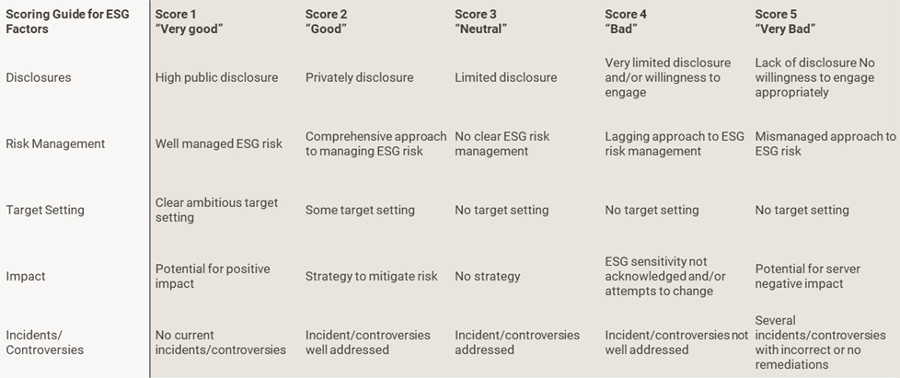
ESG Score | Portfolio
ESG Score | 2.52
Environmental | 2.24
Social | 2.53
Governance | 2.91

ESG Scores (Industry)
Industry | ESG Score | Environmental | Social | Governance
Automotive | 2.53 | 2.00 | 2.33 | 2.66
Banks | 2.39 | 2.11 | 2.39 | 2.79
Basic Industry | 2.48 | 2.21 | 2.24 | 2.30
Capital Goods | 2.36 | 2.26 | 2.26 | 2.91
Consumer Goods | 2.56 | 2.10 | 2.33 | 2.70
Financial Services | 2.36 | 1.78 | 2.18 | 2.74
Healthcare | 2.69 | 2.56 | 2.64 | 3.00
Insurance | 2.44 | 2.27 | 2.55 | 2.76
Leisure | 2.58 | 2.50 | 3.00 | 2.50
Media | 2.62 | 2.31 | 2.55 | 3.24
Real Estate | 2.62 | 2.57 | 2.59 | 3.43
Retail | 2.59 | 2.22 | 2.60 | 2.97
Services | 2.56 | 2.24 | 2.75 | 3.09
Technology & Electronics | 2.80 | 2.74 | 2.28 | 2.68
Telecommunications | 2.49 | 2.14 | 2.89 | 3.37
Transportation | 2.61 | 2.00 | 2.41 | 3.00
Utility | 1.75 | 1.00 | 2.00 | 2.00

ESG Scoring Guidance

WACI
WACI Breakdown

Portfolio | ESG Benchmark | Strategy | Portfolio WACI | Benchmark WACI | WACI Performance | WACI Limit
Copenhagen Infrastructure V | Default | Flagship | 44 | 105 | 57.73% | 20.00%

Historical
Historical WACI Performance
 | Portfolio WACI | Benchmark WACI | WACI Performance | WACI Limit
45291 | 73.168720383 | 103.39863423 | 0.29236279641 | 0.2
45322 | 71.444832424 | 101.01739008 | 0.29274719564 | 0.2
45351 | 64.557090075 | 101.13425817 | 0.36166941604 | 0.2
45382 | 51.02716402 | 101.37293625 | 0.49663918292 | 0.2
45412 | 47.179250638 | 102.3998986 | 0.53926467423 | 0.2
45443 | 49.66500482 | 106.1289641 | 0.53203156893 | 0.2
45473 | 49.755876689 | 103.14486249 | 0.51761168239 | 0.2
45504 | 48.619731989 | 101.0838424 | 0.51901579092 | 0.2
45535 | 49.661948461 | 101.71674159 | 0.51176229515 | 0.2
45565 | 43.193248704 | 103.10843521 | 0.58108908728 | 0.2
45596 | 42.421612635 | 103.46247327 | 0.58998068291 | 0.2
45625 | 44.336121987 | 104.88940573 | 0.57730600455 | 0.2

Issuer - Top 10 Portfolio Weight

Issuer | Industry | Country | Asset Type | Portfolio Weight | Carbon Intensity | WACI Contribution
XOVER | Index | European Union | CDS | 8.85% | 93.74 | 8.30
IBOXX | Index | United States | Index | 6.42% | 141.23 | 9.06
Virgin Media O2 | Telecommunications | United Kingdom | Multiple | 2.41% | 20.23 | 0.49
Oaktree | Asset Repack | Ireland | ABS | 2.40% | 70.34 | 1.69
Sound Point | Asset Repack | Ireland | ABS | 2.06% | 54.74 | 1.13
Douglas | Retail | Germany | Multiple | 1.72% | 11.71 | 0.20
Nuveen CEF | Asset Repack | United States | Equity | 1.71% | 64.70 | 1.12
Verisure | Services | Sweden | Multiple | 1.58% | 16.50 | 0.26
Biogroup | Healthcare | France | Multiple | 1.48% | 2.72 | 0.04
TeamSystem | Technology & Electronics | Italy | Bond | 1.35% | 5.08 | 0.07

Issuer - Top 10 WACI Contributions

Issuer | Industry | Country | Asset Type | Portfolio Weight | Carbon Intensity | WACI Contribution
IBOXX | Index | United States | Index | 6.42% | 141.23 | 9.06
XOVER | Index | European Union | CDS | 8.85% | 93.74 | 8.30
Ahlstrom | Basic Industry | Finland | Multiple | 0.71% | 464.87 | 3.31
Roquette Freres | Consumer Goods | France | Bond | 0.48% | 476.75 | 2.31
Ardagh | Capital Goods | United States | Bond | 0.38% | 528.34 | 2.01
Guala Closures | Capital Goods | Italy | Bond | 1.18% | 160.18 | 1.90
Oaktree | Asset Repack | Ireland | ABS | 2.40% | 70.34 | 1.69
Pfleiderer | Basic Industry | Germany | Bond | 0.07% | 1988.84 | 1.43
Polynt | Basic Industry | United States | Bond | 0.71% | 199.84 | 1.42
BIP | Services | Italy | Bond | 0.34% | 410.03 | 1.39

Industry Carbon Intensity
Industry Carbon Intensity

Industry | Portfolio | Benchmark
Basic Industry | 303.13 | 340.91
Utility | 157.79 | 721.07
Capital Goods | 91.64 | 94.53
Consumer Goods | 71.65 | 33.86
Real Estate | 68.58 | 85.83
Index | 62.36 | 0.00
Asset Repack | 58.02 | 0.00
Automotive | 52.26 | 47.90
Retail | 48.46 | 19.01
Services | 47.25 | 38.05
Media | 31.24 | 20.88
Leisure | 24.17 | 73.84
Transportation | 23.12 | 227.78
Telecommunications | 17.47 | 22.63
Healthcare | 16.01 | 28.30
Technology & Electronics | 4.52 | 8.39
Financial Services | 3.23 | 19.67
Banks | 2.53 | 4.18
Insurance | 0.84 | 2.91
Energy | 0.00 | 514.20

Industry WACI Contribution
Industry WACI Contribution

Industry | Portfolio | Benchmark
Asset Repack | 7.28 | 0.00
Index | 5.93 | 0.00
Basic Industry | 5.88 | 33.01
Services | 5.43 | 4.44
Capital Goods | 4.98 | 5.39
Consumer Goods | 3.83 | 2.17
Real Estate | 2.12 | 2.15
Retail | 1.87 | 1.00
Utility | 1.47 | 29.70
Automotive | 1.11 | 2.33
Healthcare | 1.05 | 3.28
Media | 0.87 | 0.88
Telecommunications | 0.81 | 2.22
Transportation | 0.68 | 5.26
Leisure | 0.57 | 3.46
Banks | 0.17 | 0.21
Technology & Electronics | 0.14 | 0.47
Financial Services | 0.08 | 0.71
Insurance | 0.06 | 0.04
Energy | 0.00 | 8.17

